Contact information
Bioresources physical and contract information |  | Southern Water

Purpose | This spreadsheet provides information about water and sewerage company sewage sludge production sites (known as wastewater treatment works (WwTWs) and sludge treatment facilities (STCs). Its purpose is to facilitate conversations between companies and third parties to explore market opportunities. It does not include all information that may be defined within a contract. Companies are required to provide data under the columns marked mandatory. Any additional information can be provided on a voluntary basis. | The water and sewerage companies' areas in England and Wales
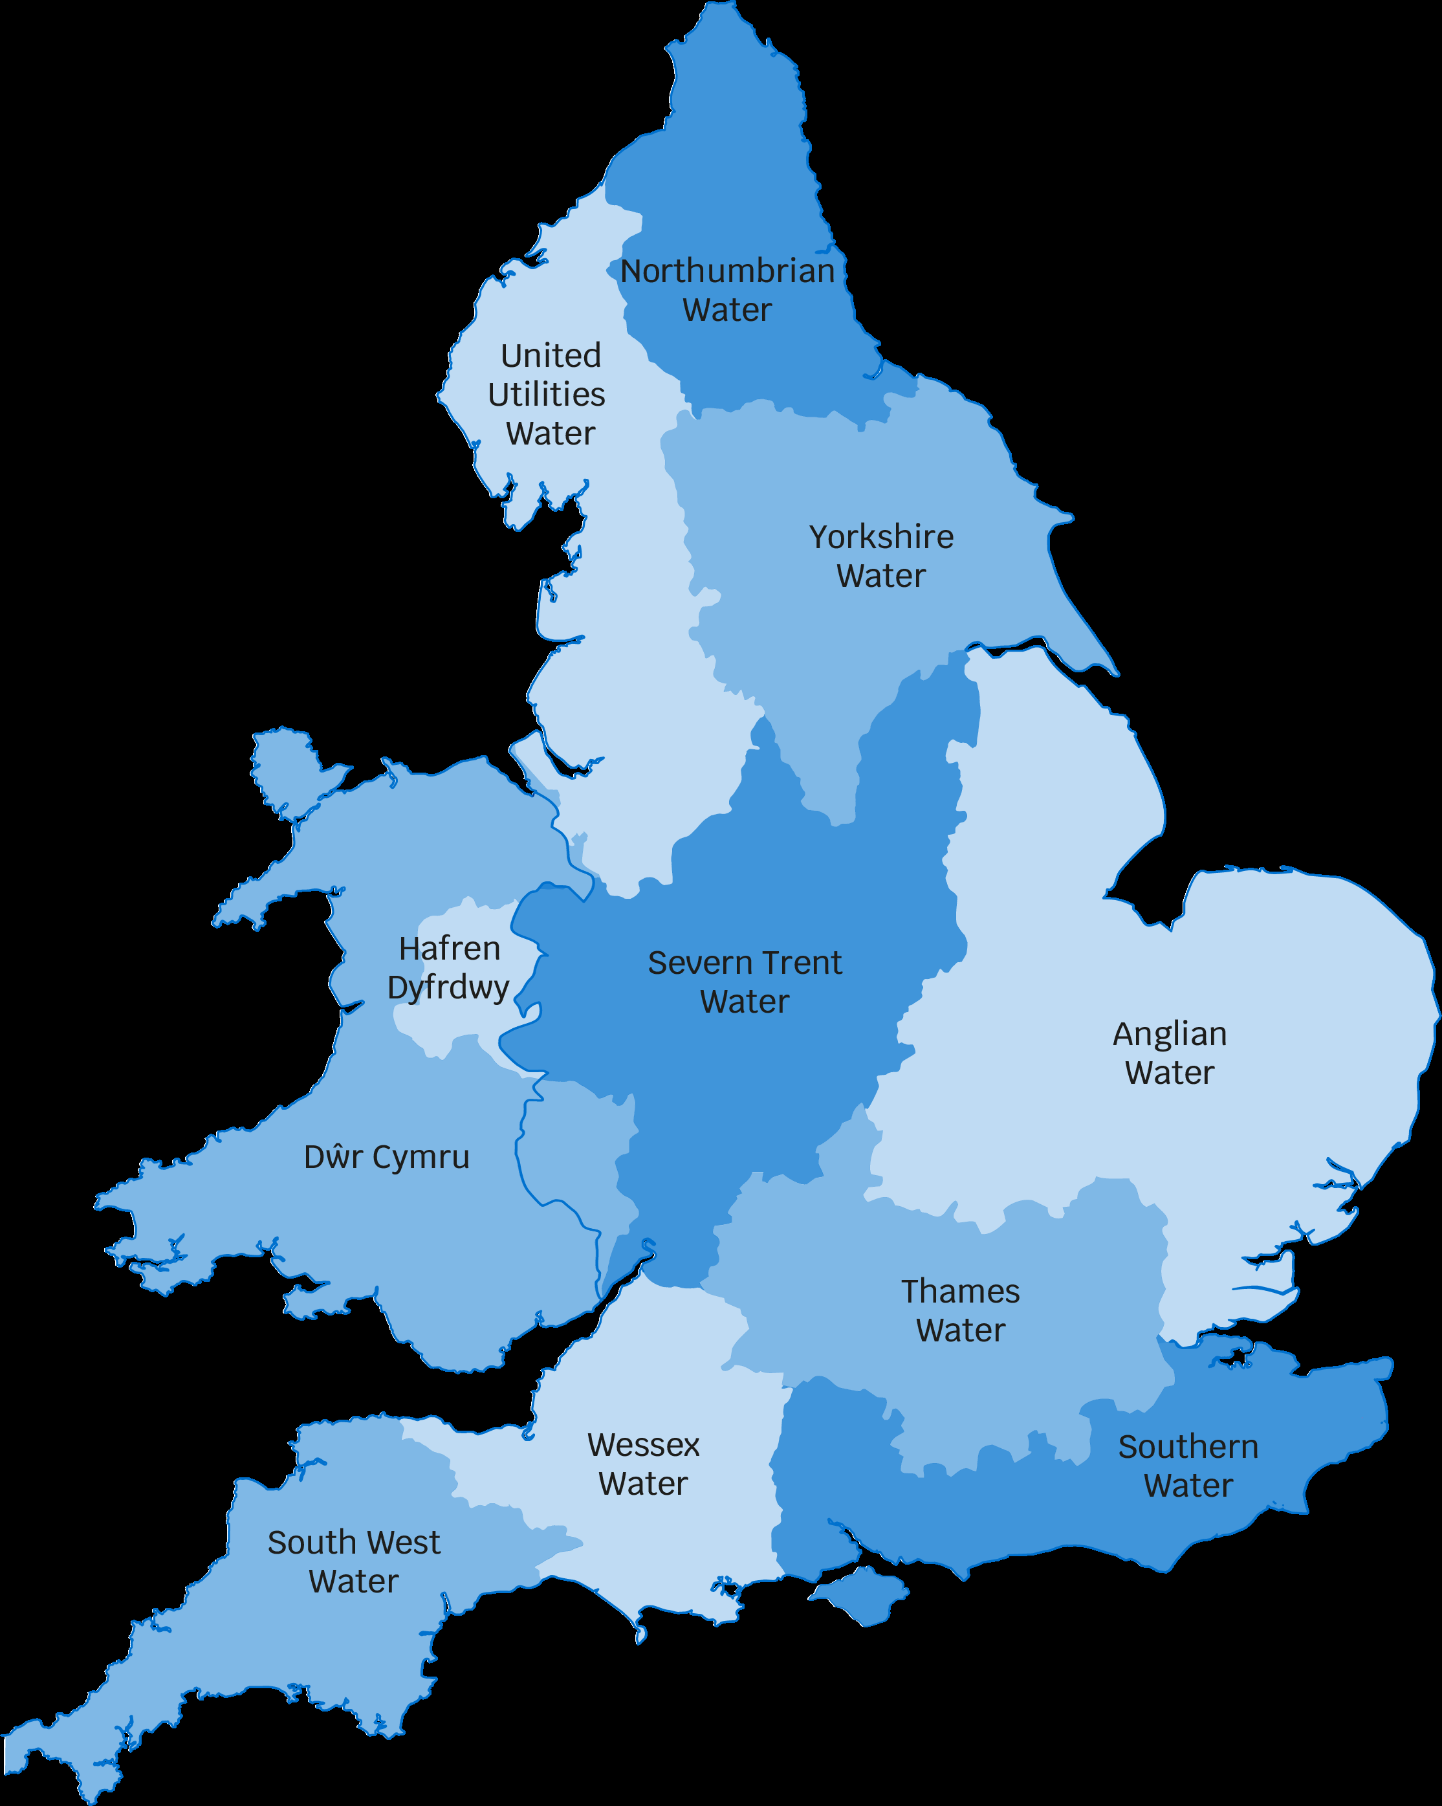
Water and Sewerage Company name | Southern Water
Financial Year the historical data relates to | 2021-22
Date the spreadsheet was published | Jul-22
Contact details for anyone wanting to discuss commercial opportunities arising from this information | Michael Upcraft Southern Water, Southern House, Yeoman Road, Worthing, West Sussex BN13 3NX. Telephone: 01903 272116 Email: michael.upcraft@southernwater.co.uk
Any further details regarding any future procurement
Brief description of geographical boundary of data included here | Southern Water provides wastewater treatment in Hampshire, Isle of Wight, East Sussex, West Sussex, Kent and East Wiltshire as shown in the map on the right

Brief description of level of data assurance | Externally assured as part of APR

Summary of significant changes since the most recently previously published version of the information and this version | There have been no major changes since the previously published version.

 | Key: Input cell colour

